PSEL 2015 Overview
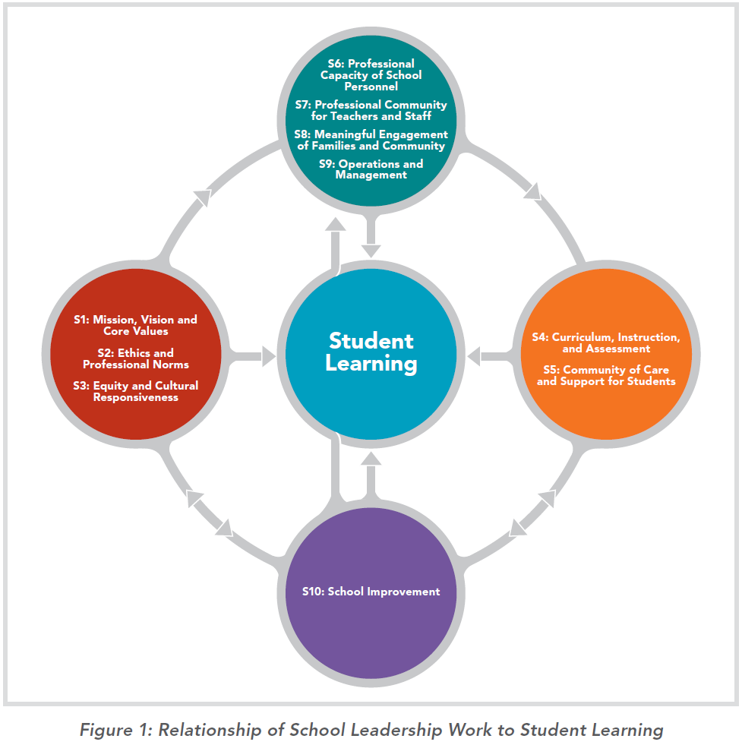
Professional Standards for Educational Leaders 2015
http://www.ccsso.org/Documents/2015/ProfessionalStandardsforEducationalLeaders2015forNPBEAFINAL.pdf

The Council of Chief State School Officers published the first standards for educational leaders in 1996, followed by a modest update in 2008 based on the empirical research at the time. Both versions provided frameworks for policy on education leadership in 45 states and the District of Columbia. But the world in which schools operate today is very different from the one of just a few years ago—and all signs point to more change ahead. The global economy is transforming jobs and the 21st century workplace for which schools prepare students. Technologies are advancing faster than ever. The conditions and characteristics of children, in terms of demographics, family structures and more, are changing. On the education front, the politics and shifts of control make the headlines daily. Cuts in school funding loom everywhere, even as schools are being subjected to increasingly competitive market pressures and held to higher levels of accountability for student achievement.

The 2015 Standards are the result of an extensive process that took an in-depth look at the new education leadership landscape. It involved a thorough review of empirical research and sought the input of researchers and more than 1,000 school and district leaders through surveys and focus groups to identify gaps among the 2008 Standards, the day-to-day work of education leaders, and leadership demands of the future. The National Association of Elementary School Principals (NAESP), National Association of Secondary School Principals (NASSP), and American Association of School Administrators (AASA) were instrumental to this work. The public was also invited to comment on two drafts of the Standards, which contributed to the final product. The National Policy Board for Education Administration (NPBEA), a consortium of professional organizations committed to advancing school leadership (including those named above), has assumed leadership of the 2015 Standards in recognition of their significance to the profession and will be their steward going forward.

The Standards are foundational to all levels of educational leadership. They apply to principals and assistant principals and they apply to district leaders as they engage in similar domains of work as school leaders. However, the specific leadership activities that follow each Standard are cast more toward school-level leadership than district-level leadership. Moreover, district-level leaders have additional responsibilities associated with their particular roles (e.g., working with school boards and labor relations), and those responsibilities extend beyond these Standards. Such additional responsibilities are described in other standards focusing specifically on district-level leadership.

The 2015 Standards have been recast with a stronger, clearer emphasis on students and student learning, outlining foundational principles of leadership to help ensure that each child is well-educated and prepared for the 21st century. They elevate areas of educational leader work that were once not well understood or deemed less relevant but have since been shown to contribute to student learning. It is not enough to have the right curriculum and teachers teaching it, although both are crucial. For learning to happen, educational leaders must pursue all realms of their work with an unwavering attention to students. They must approach every teacher evaluation, every interaction with the central office, every analysis of data with one question always in mind: How will this help our students excel as learners?

The Standards recognize the central importance of human relationships not only in leadership work but in teaching and student learning. They stress the importance of both academic rigor and press as well as the support and care required for students to excel. The Standards reflect a positive approach to leadership that is optimistic, emphasizes development and strengths, and focuses on human potential.

The 2015 Standards adopt a future-oriented perspective. While they are grounded in the present, they are aspirational, recognizing that the changing world in which educational leaders work today will continue to transform—and the demands and expectations for educational leaders along with it. The 2015 Standards envision those future challenges and opportunities so educational leaders can succeed in the future.

The 2015 Standards are aspirational in other ways, too. They challenge the profession, professional associations, policy makers, institutions of higher education, and other organizations that support educational leaders and their development to move beyond established practices and systems and to strive for a better future. The 2015 Standards focus on accomplished leadership practice to inspire educational leaders to stretch themselves and reach a level of excellence in their practice, no matter where they are in their careers. They are relevant at all career stages, although application will vary and is an area that the field should explore further.

The 2015 Standards embody a research- and practice-based understanding of the relationship between educational leadership and student learning. Improving student learning takes a holistic view of leadership. In all realms of their work, educational leaders must focus on how they are promoting the learning, achievement, development, and well-being of each student. The 2015 Standards reflect interdependent domains, qualities and values of leadership work that research and practice suggest are integral to student success:
I. Mission, Vision, and Core Values
II. Ethics and Professional Norms
III. Equity and Cultural Responsiveness
IV. Curriculum, Instruction and Assessment
V. Community of Care and Support for Students
VI. Professional Capacity of School Personnel
VII. Professional Community for Teachers and Staff
VIII. Meaningful Engagement of Families and Community
IX. Operations and Management
X. School Improvement

In practice, these domains do not function independently but as an interdependent system that propels each student to academic and personal success. They, and the Standards that represent them, can be understood in three related clusters.
1. Curriculum, Instruction and Assessment, and Community of Care and Support for Students.
2. Professional Capacity of School Personnel, Professional Community for Teachers and Staff, Meaningful Engagement of Families and Community, and Operations and Management.
3. Mission, Vision and Core Values, Ethics and Professional Norms, and Equity and Cultural Responsiveness.
The domain of School Improvement affects all of the clusters, which together reflect a theory of how educational leader practice influences student achievement.

The Professional Standards for Educational Leaders 2015 are organized around the domains, qualities, and values of leadership work that research and practice indicate contribute to students’ academic success and well-being. Each Standard features a title and a statement that succinctly defines the work of effective educational leaders in that particular realm. A series of elements follow, which elaborate the work that is necessary to meet the Standard. The number of elements for each Standard varies in order to describe salient dimensions of the work involved. It does not imply relative importance of a particular Standard.

